1. Title Page
Instacart Grocery Basket Analysis

Project Name: Instacart Grocery Basket Analysis
Date: April 28, 2017
Analyst Name: Tuyet Nguyen

Contents:
Data citation
Population flow
Consistency checks
Wrangling steps
Column derivations
Visualizations
Recommendations

2. Data Citation
 | Title page
Data Citation

The Instacart Online Grocery Shopping Dataset 2017”, Accessed from www.instacart.com/datasets/grocery-shopping-2017 via Kaggle on Feb 04, 2023.
The customer data and the “prices” column in the products data set, were both fabricated for the purpose of this course.

3. Population Flow
Title page

Population flow

Exclusion flag
Condition: max_order <
Obervations to be removed:
Final total count of order_products_all:

Orders_products_combined
Orders_products_merged
Orders_products_all

Total: 32404859
Total: 32434489
Total: 32404859

1.) The grey boxes in the first row of the population flow represent the original data sets as they were when you downloaded them. In the Total fields you need to add the count of the rows when you imported the data set into Jupyter.
2.) The second row of boxes (coloured) represents the data sets after you manipulated them, e.g., removed missing values and duplicates. In the Total fields you need to add the count of the rows after conducting these operations. This offers a visual oveview of how the data flows throughout the data consistency checks.
3.) The third row, where also the arrows are coloured, represents the merges you performed between the datasets. In the Total fields you need to add the count of the rows in the merged datasets, so that you end up with the final dataset (in the red box). Keep in mind the final dataset should be without exclusions (based on the exclusion flag).

4. Consistency checks
 |  |  |  |  |  |  | Title page
Consistency checks

Dataset | Missing values | Missing values treatment | Duplicates
orders | days_since_prior_order, 206209 values | No changes since they indicate new customers
products | product_name, 16 values | Dropped | 5 duplicates removed
orders_products_prior | No missing values |  | No duplicates.
customers | No missing values |  | No duplicates.

Crosstab checking the missing values in days_since_prior_order
Missing values correspond to the first order for each customer (i.e., order_number 1), which means that there is no "days_since_prior_order" for these orders.
order_number | 1 | 2 | 3 | 4 | 5 | 6 | 7 | 8 | 9 | 10 | … | 91 | 92 | 93 | 94 | 95 | 96 | 97 | 98 | 99 | 100
days_since_prior_order
0 | 0 | 2899 | 2915 | 2964 | 2634 | 2443 | 2236 | 2101 | 1972 | 1782 | ... | 156 | 154 | 125 | 151 | 151 | 153 | 120 | 144 | 134 | 137
1 | 0 | 4822 | 4613 | 4690 | 4423 | 4047 | 4000 | 3744 | 3503 | 3358 | ... | 397 | 396 | 373 | 359 | 366 | 330 | 356 | 360 | 339 | 321
2 | 0 | 6203 | 6209 | 6231 | 5789 | 5679 | 5274 | 5090 | 4914 | 4705 | ... | 416 | 405 | 407 | 389 | 359 | 351 | 359 | 346 | 318 | 329
3 | 0 | 7411 | 7577 | 7414 | 7097 | 6770 | 6424 | 6078 | 5750 | 5663 | ... | 345 | 287 | 330 | 294 | 291 | 292 | 254 | 221 | 240 | 223
4 | 0 | 8415 | 8476 | 8469 | 8029 | 7608 | 7092 | 6735 | 6534 | 6395 | ... | 221 | 238 | 225 | 191 | 193 | 185 | 183 | 170 | 170 | 153
5 | 0 | 9216 | 9329 | 9220 | 8600 | 8228 | 7703 | 7270 | 6828 | 6563 | ... | 142 | 128 | 105 | 119 | 119 | 120 | 100 | 95 | 82 | 81
6 | 0 | 11419 | 11701 | 11601 | 10771 | 10054 | 9521 | 8842 | 8527 | 7727 | ... | 77 | 91 | 86 | 82 | 67 | 59 | 58 | 50 | 58 | 44
7 | 0 | 16788 | 16609 | 16341 | 15135 | 13834 | 13268 | 12452 | 11612 | 10980 | ... | 60 | 56 | 48 | 56 | 36 | 37 | 37 | 41 | 32 | 35
8 | 0 | 10422 | 10304 | 10148 | 9378 | 8738 | 8068 | 7594 | 6894 | 6511 | ... | 29 | 22 | 24 | 26 | 23 | 30 | 18 | 16 | 12 | 13
9 | 0 | 7053 | 7160 | 7013 | 6610 | 5993 | 5497 | 5082 | 4760 | 4404 | ... | 12 | 8 | 14 | 12 | 8 | 6 | 7 | 8 | 7 | 11
10 | 0 | 5969 | 6037 | 5938 | 5376 | 5018 | 4479 | 4245 | 3844 | 3531 | ... | 9 | 20 | 10 | 6 | 11 | 1 | 7 | 4 | 4 | 7
11 | 0 | 5352 | 5388 | 5325 | 4718 | 4363 | 4087 | 3767 | 3429 | 3180 | ... | 13 | 13 | 5 | 7 | 8 | 6 | 6 | 1 | 3 | 7
12 | 0 | 5206 | 5357 | 5348 | 4657 | 4333 | 3954 | 3568 | 3404 | 2941 | ... | 4 | 5 | 4 | 5 | 6 | 5 | 5 | 1 | 5 | 3
13 | 0 | 6098 | 6265 | 6003 | 5520 | 4855 | 4480 | 4083 | 3708 | 3408 | ... | 8 | 9 | 5 | 6 | 5 | 2 | 3 | 6 | 6 | 1
14 | 0 | 7680 | 7529 | 7577 | 6951 | 6004 | 5549 | 4976 | 4563 | 4187 | ... | 1 | 3 | 12 | 3 | 3 | 3 | 4 | 2 | 1 | 2
15 | 0 | 5219 | 5121 | 5225 | 4588 | 4068 | 3670 | 3384 | 3046 | 2793 | ... | 3 | 3 | 2 | 1 | 3 | 2 | 2 | 1 | 1 | 1
16 | 0 | 3791 | 3794 | 3690 | 3316 | 2994 | 2665 | 2370 | 2269 | 2085 | ... | 1 | 1 | 0 | 2 | 0 | 3 | 2 | 3 | 1 | 1
17 | 0 | 3131 | 3241 | 3226 | 2823 | 2546 | 2152 | 2039 | 1791 | 1662 | ... | 0 | 4 | 1 | 1 | 1 | 2 | 2 | 0 | 2 | 0
18 | 0 | 3041 | 2971 | 2904 | 2660 | 2337 | 2078 | 1850 | 1730 | 1531 | ... | 1 | 1 | 0 | 2 | 0 | 1 | 0 | 0 | 2 | 0
19 | 0 | 2861 | 2999 | 2877 | 2579 | 2359 | 2081 | 1872 | 1621 | 1469 | ... | 2 | 0 | 0 | 0 | 1 | 2 | 2 | 0 | 0 | 1
20 | 0 | 3411 | 3380 | 3427 | 2953 | 2593 | 2355 | 2113 | 1810 | 1677 | ... | 4 | 1 | 0 | 1 | 0 | 0 | 0 | 0 | 0 | 1
21 | 0 | 4258 | 4205 | 4067 | 3459 | 3263 | 2801 | 2429 | 2205 | 2021 | ... | 0 | 1 | 1 | 0 | 1 | 0 | 0 | 1 | 0 | 1
22 | 0 | 2956 | 2866 | 2887 | 2504 | 2168 | 2015 | 1756 | 1619 | 1451 | ... | 1 | 0 | 0 | 0 | 1 | 0 | 0 | 0 | 1 | 1
23 | 0 | 2268 | 2296 | 2204 | 1889 | 1666 | 1516 | 1282 | 1208 | 995 | ... | 0 | 1 | 0 | 0 | 1 | 0 | 0 | 0 | 2 | 0
24 | 0 | 1875 | 1960 | 1900 | 1754 | 1496 | 1334 | 1176 | 996 | 955 | ... | 0 | 0 | 0 | 0 | 0 | 0 | 0 | 0 | 0 | 0
25 | 0 | 1843 | 1879 | 1847 | 1619 | 1400 | 1198 | 1016 | 964 | 807 | ... | 0 | 0 | 0 | 0 | 0 | 0 | 0 | 0 | 0 | 0
26 | 0 | 1872 | 1890 | 1760 | 1619 | 1442 | 1238 | 1084 | 984 | 843 | ... | 0 | 0 | 0 | 0 | 1 | 0 | 0 | 0 | 0 | 0
27 | 0 | 2177 | 2236 | 2258 | 1994 | 1598 | 1439 | 1340 | 1138 | 925 | ... | 0 | 0 | 0 | 0 | 0 | 0 | 0 | 0 | 0 | 0
28 | 0 | 2728 | 2760 | 2797 | 2287 | 2035 | 1745 | 1592 | 1385 | 1187 | ... | 0 | 0 | 1 | 0 | 0 | 1 | 0 | 0 | 0 | 1
29 | 0 | 1986 | 2012 | 1971 | 1711 | 1489 | 1259 | 1113 | 984 | 837 | ... | 1 | 0 | 0 | 0 | 0 | 0 | 0 | 0 | 0 | 0
30 | 0 | 47839 | 47130 | 48887 | 38780 | 31212 | 25290 | 20575 | 16926 | 14155 | ... | 2 | 2 | 2 | 0 | 1 | 1 | 0 | 1 | 1 | 0

5. Wrangling steps
 |  |  |  |  | Title page
Wrangling steps

Dataframe | Columns dropped | Columns renamed | Columns' type changed | Comment/Reason
orders.csv | 'eval_set' |  |  | Not useful for analysis
 |  | orders_dow' to 'orders_day_of_week' |  | For better understanding
 |  |  | 'order_id' from int64 to str | Identifier, no numerical meaning
 |  |  | 'user_id' from int64 to str | Identifier, no numerical meaning

customer.csv |  | First Name, Surnam, STATE, Gender, Age, n_dependants, |  | For consistency and better understanding

6. Column derivations
 |  |  |  |  | Title page
In this tab you should add tables below that the frequences of flags/label variables that you produced after deriving them. NB: don't do this for continuous variables, only for flags.
Column derivations and aggregations

Dataset | New column | Column/s it was derived from | Conditions | Results
orders_products_merged.pkl | price_range_loc | prices | if prices > 15, High-range product if prices > 5 & prices <= 15, Mid-range product if prices <= 5, Low-range product
 | busiest_day | orders_day_of_week | if orders_day_of_week = 0, Busiest day if orders_day_of_week = 4, Least Busy else, Regularly Busy
 | busiest_days | orders_day_of_week | if orders_day_of_week = 0 & 1, Busiest day if orders_day_of_week = 4 or 3, Least Busy else Regularly Busy | Regulary busy 12916111 Busiest days 11864412 Slowest days 7624336
 | busiest_period_of_day | order_hour_of_day | if order_hour_of_day = [10, 11, 14, 15, 13, 12, 16, 9], Most orders if order_hour_of_day = [3, 4, 2, 5, 1, 0, 6, 23], Least orders else, Average orders | Most orders 21118071 Fewest orders 1289137 Average orders 9997651"
orders_products_merged_new_vars.pkl | max_order | order_number | grouped by user_id
 | loyalty_flag | max_order | if max_order > 40, loyalty_flag = Loyal customer if max_order <= 40 & max_order > 10, loyalty_flag = Regular customer if max_order <= 10, loyalty_flag = New customer | Regular customer 15876776 Loyal customer 10284093 New customer 6243990
 | avg_price_purchased | prices | grouped by user_id
 | spending_flag | avg_price_purchased | if avg_price_purchased >= 10, spending_flag = High spender if avg_price_purchased <10, spending_flag = Low spender | spending_flag Low spender 31770614 High spender 634245
 | median_order_frequency | days_since_prior_order | grouped by user_id
 | order_frequency_flag | median_order_frequency | if median_order_frequency > 20, order_frequency_flag = Non-frequent custome if median_order_frequency <= 20 & max_order > 10, order_frequency_flag = Regular customer if max_order <= 10, order_frequency_flag = Frequent customer | order_frequency_flag Frequent customer 21559853 Regular customer 7208564 Non-frequent customer 3636437
 | region | state | Geographic segmentation: Northeast, Midwest, South, West accoring to wikipedia (https://simple.wikipedia.org/wiki/List_of_regions_of_the_United_States)
 | activity_flag | max_order |  | Regular activity 30964564 Low activity 1440295
 | profiling |  | 1. Young Adult Singles: - Age: 18 - 29 years old - Income: 23,000 - 70,000 - Number of dependents: 0 2. Young Parents: - Age: 30 - 40 years old - Income: $60,000 - $200,000 - Number of dependents: >= 1 - Product department id: 18 (baby items) 3. Middle-aged professionals: - 41 - 60 years old - Income: $100,000 - $600,000 - Number of dependents: >= 0 4. Retired senior: - 61+ years old - Income: $40,000 - $200,000 - Number of dependents: = 0 | NaN 22005762 Middle-aged professionals 7057739 Retired Senior 2516621 Young Single Adults 785294 Young Parents 39443

7. Visualizations
Title page

Visualisations

In this tab you should include all the visualtions from Exercises 4.9 and 4.10, alongside the questions from the project brief that they answer. Include any commentary on the relationship between different variables.

Provide the Instacart senior stakeholders with descriptive findings about sales


The histogram depicts the variation in sales throughout the day.
- The number of orders are lowest between 0-5 am.
- The majority of sales are recorded between 9:00 am and 5:00 pm.
- Sales gradually decline after 5:00 pm.

Figure 1. Number of Orders by Hour

The marketing team is curious about the distribution of orders among customers in terms of loyalty.

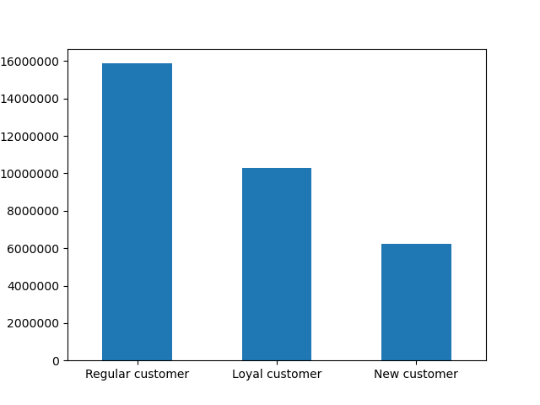

Figure 2. Sales distribution (in US dollars) by customer loyalty

Check whether there’s a difference in expenditure (the “prices” column) depending on the hour of the day.

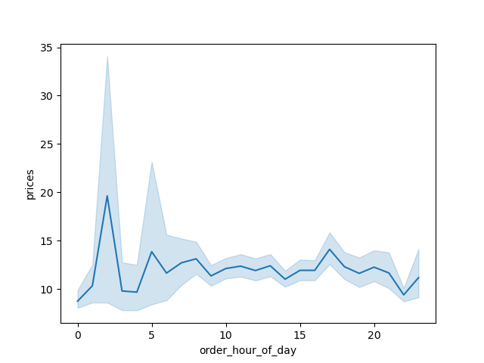

Figure 3. Prices (in US dollars) by hour of the day

Determine whether there’s a connection between age and family situation (number of independents)
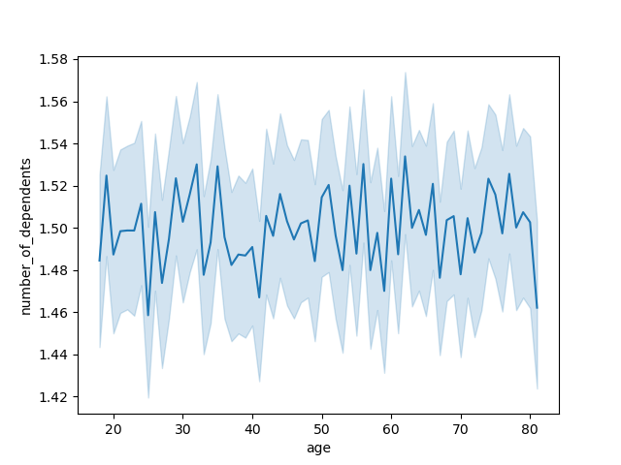

There's no connection between age and family situation

Figure 4. Prices (in US dollars) by hour of the day

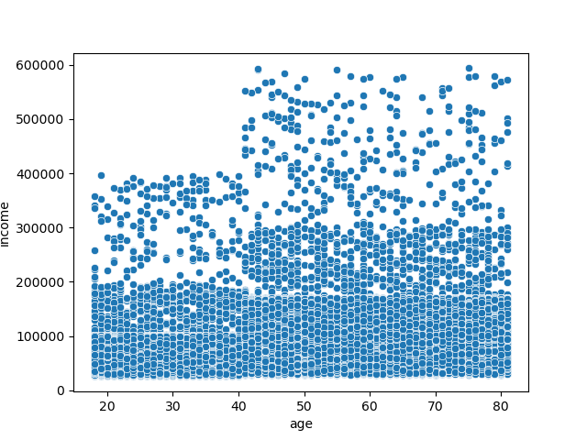
Explore whether the connection between age and spending power (income).

Figure 5. Income distribution by age

Determine whether there’s a difference in spending habits between the different U.S. regions

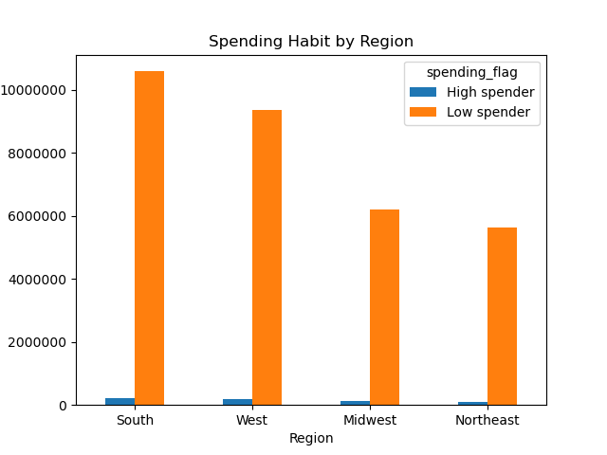

The majority of sales comes from low spenders.
The Southern region has the highest sales in both high and low spenders, followed by West, Midwest, and Southeast.

Figure 6. Spending (in US dollar) by region

The distribution of profiles.

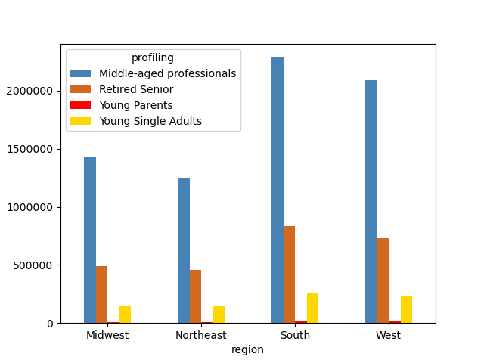

Figure 7. Profile distribution by region

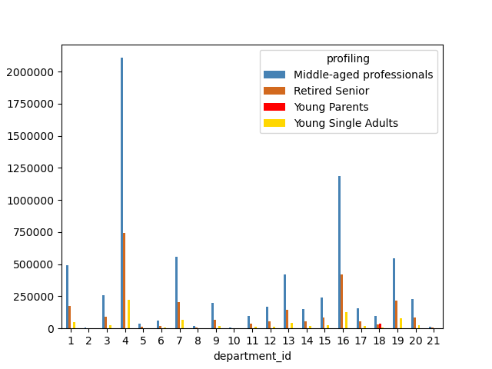
The link between customer profiles and departments

Figure 8. Customer spending by profile and department

8. Recommendations
 |  |  |  |  |  |  |  | Title page

Recommendations

Figure 1.1
Figure 1.2
Figure 2.
Question | Answer (Double click on the answer cells for full answers) | Visualization
1. The sales team needs to know what the busiest days of the week and hours of the day are (i.e., the days and times with the most orders) in order to schedule ads at times when there are fewer orders. | Most orders are placed on Saturdays (0) and Sundays (Figure 1.1). 0 6204182 1 5660230 6 4496490 2 4213830 5 4205791 3 3840534 4 3783802 The busiest hours are 9:00 - 16:00 (Figure 1.2) 10 2761760 11 2736140 14 2689136 15 2662144 13 2660954 12 2618532 16 2535202 9 2454203 17 2087654 8 1718118 18 1636502 19 1258305 20 976156 7 891054 21 795637 22 634225 23 402316 6 290493 0 218769 1 115700 5 87961 2 69375 4 53242 3 51281 Name: order_hour_of_day, dtype: int64 |  | 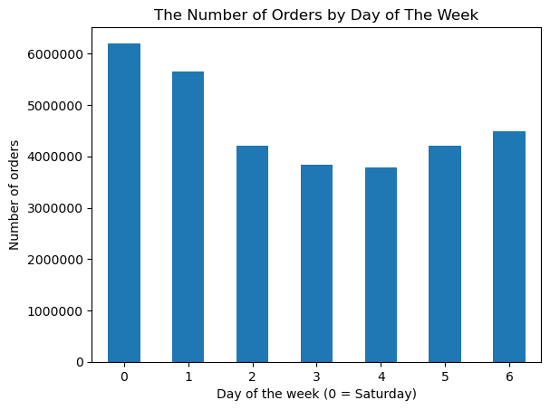 |  | 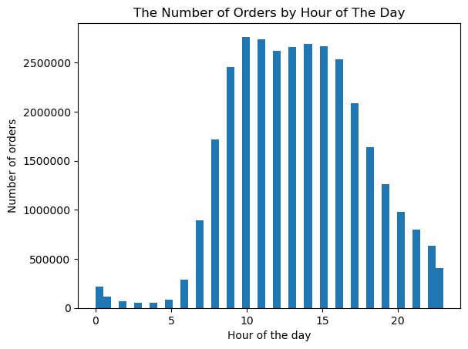
2. They also want to know whether there are particular times of the day when people spend the most money, as this might inform the type of products they advertise at these times. | Customers spend the most money during 9:00 - 16:00 (Figure 2). prices sum order_hour_of_day 0 1708627.1 1 902987.5 2 540953.3 3 401331.1 4 417265.0 5 688439.9 6 2270680.7 7 6967055.9 8 13383026.7 9 19026013.7 10 21399997.5 11 21261917.8 12 20392992.7 13 20734933.8 14 20979668.4 15 20777235.8 16 19777858.5 17 16294342.6 18 12778651.1 19 9805648.8 20 7613150.3 21 6209527.7 22 4957118.0 23 3136696.7 |  | 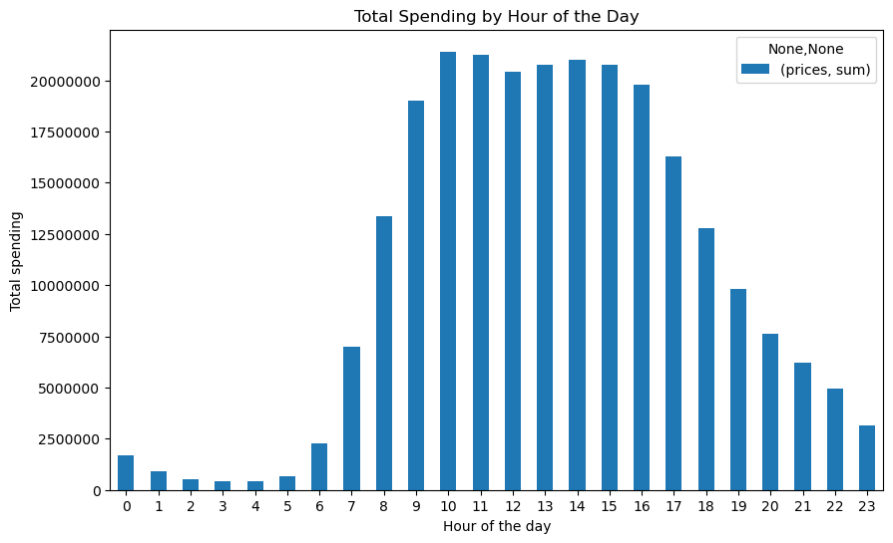
Figure 3.1.
Figure 3.2.
3. Instacart has a lot of products with different price tags. Marketing and sales want to use simpler price range groupings to help direct their efforts. | Price ranges: - Low range: price <= 5 - Mid range: 5 < price <= 15 - High range: price > 15 Mid-range product 21860860 Low-range product 10126321 High-range product 417678 (Figure 3.1) Mid-range products account for 67.5%. 31.2% of the products are in low range. Only 1.3% are high-range products (Figure 3.2) |  | 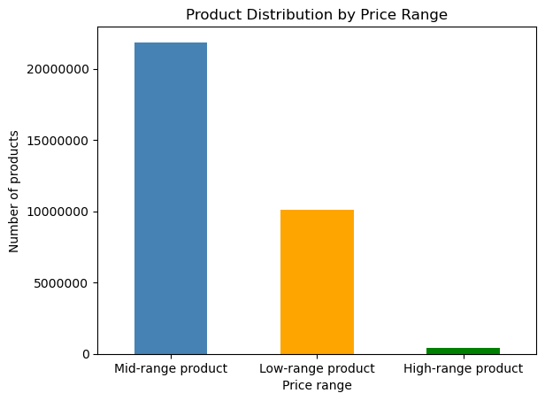 |  |  |  | 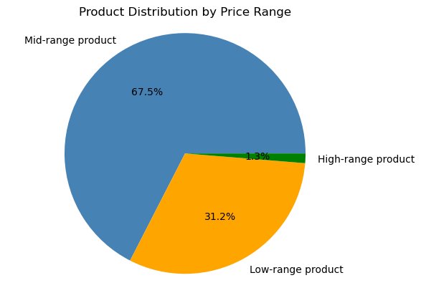
Figure 4.
4. Are there certain types of products that are more popular than others? The marketing and sales teams want to know which departments have the highest frequency of product orders. | Produce and dairy-eggs are the most popular products. Pets, alcohol, international and babies have the lowest freqency. | 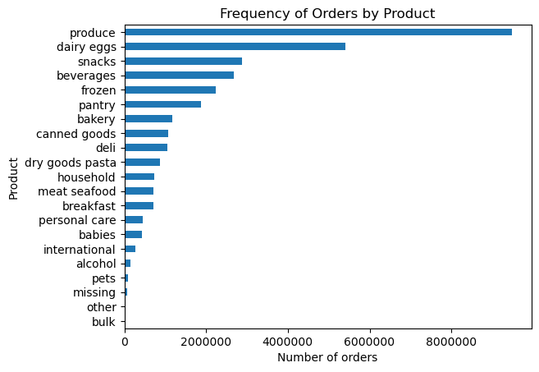
5. The marketing and sales teams are particularly interested in the different types of customers in their system and how their ordering behaviors differ.
Figure 5.1
5.1 What’s the distribution among users in regards to their brand loyalty (i.e., how often do they return to Instacart)? | Most orders are placed frequent customers, followed by regular and non-frequen customers. Frequency level: Frequent customer: Median order frequency > 20 days Regular customer: < 10 Median order frequency <= 20 days Non-frequent customer: Median order frequency <= 10 days Frequent customer 21559853 Regular customer 7208564 Non-frequent customer 3636437 | 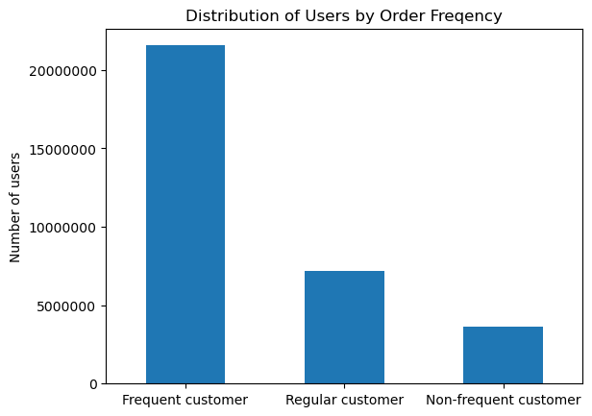
Figure 5.2
5.2 Are there differences in ordering habits based on a customer’s loyalty status? | Most orders are from regular customers, followed by loyal customers and new customers. Loyalty status: Regular customer: max orders > 40 Loyal customer: 10 < max order <= 40 New customer: max orders >= 10 Regular customer 15876776 Loyal customer 10284093 New customer 6243990 | 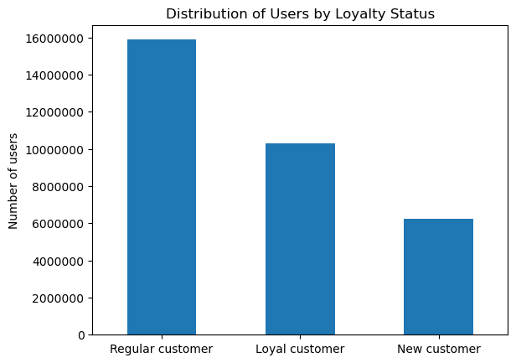
Figure 5.3.
5.3 Are there differences in ordering habits based on a customer’s region? | Most orders are from low spenders across 4 regions. There more users in the South and West than in Midwest and Northeast. High spender: avg price purchased >= 10 Low spender: avg price purchased < 10 | 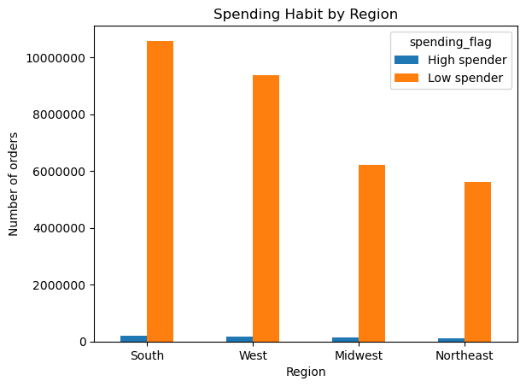
Figure 5.4.1
Figure 5.4.2.
Figure 5.4.5.
Figure 5.4.3.
Figure 5.4.6
Figure 5.4.4.
Figure 5.4.7.
5.4 Is there a connection between age and family status in terms of ordering habits? | No connection between age and familiy status (Figure 5.4.1). Age and ordering habits: no pattern detected (Figure 5.4.2 - 5.4.4) Age and prices purchased: no connection Age and number of orders: no connection Age and order frequency: no connection |  | 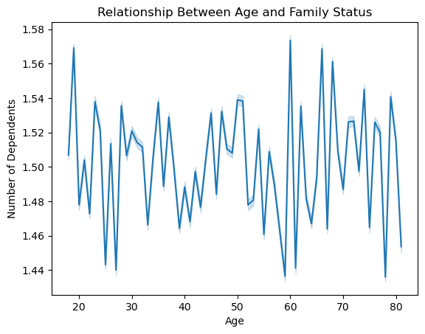 |  |  | 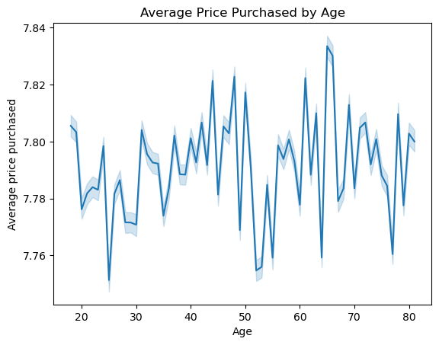 |  |  |  | 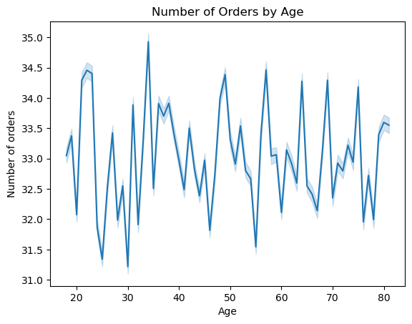 |  | 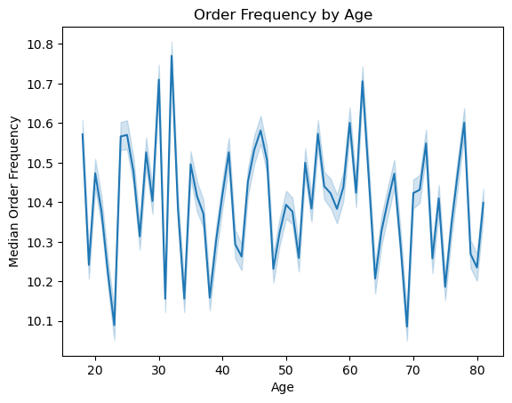
 | Familiy status and ordering habits: no pattern detected (Figure 5.4.5 - 5.4.7) Family status and prices purchased: no connection Family status and number of orders: no connection Family status and order frequency: no connection |  |  |  |  |  | 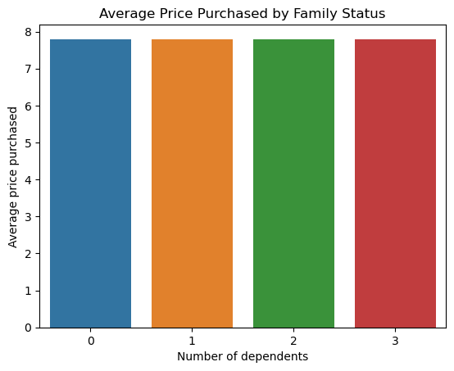 |  |  |  | 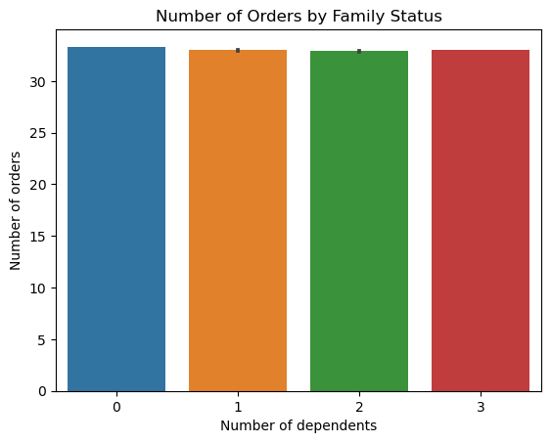 | 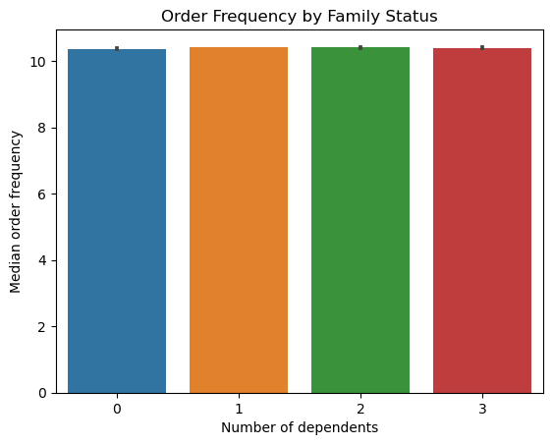
Figure 5.5.1.
Figure 5.5.2. Customer Categories by Region
Table 5.5. Cusotmer Categories Distribution by Region
5.5 What different classifications does the demographic information suggest? Age? Income? Certain types of goods? Family status? | Most of customers are Midle-aged professionals. Young parents are the least among all categories (Figure 5.5.1) South regions have the largest numner of customers of all categories, followed by West, Midwest, and Northeast region (Figure 5.5.2) Suggested user classifications based on the demographic information: 1. Young Adult Singles: Age: 18 - 29 years old Income ($): 23,000 - 70,000 Number of dependents: 0 2. Young Parents: Age: 30 - 40 years old Income ($): 60,000 - 200,000 Number of dependents: >= 1 Product department id: 18 (baby items) 3. Middle-aged professionals: 41 - 60 years old Income ($): 100,000 - 600,000 Number of dependents: >= 0 4. Retired senior: 61+ years old Income ($): 40,000 - 200,000 Number of dependents: = 0 | 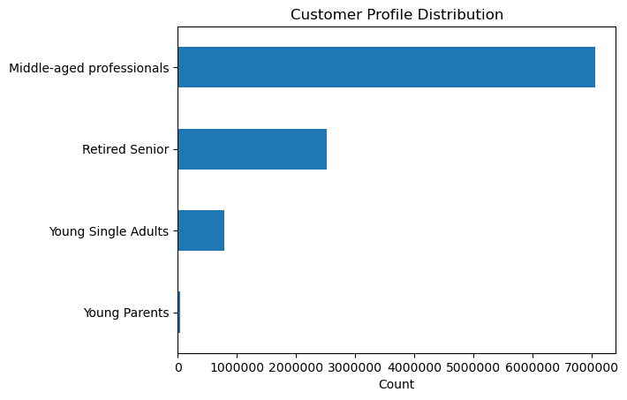
Table 5.6.1
Table 5.6.2.
Figure 5.6.
Table 5.6.3
5.6 What differences can you find in ordering habits of different customer profiles? Consider the price of orders, the frequency of orders, the products customers are ordering, and anything else you can think of. | Prices purchased by customer profile (Table 5.6.1): No significant difference in minimum and average prices purchased. For maximum prices, young parents spend $15 max, other customer profiles spend up to $25 Frequency of order by customer profile (Table 5.6.1): No significant difference in mininum and maximum days since prior orders. The average vaule for young parents are 9.5 days. Other categories' average value is around 11 days. Products ordered by customer profile (Figure 5.6): Department 4 (produce) and 16 (deiry eggs) are most popular for middle-aged professionals, retired seniors, and young single adults. Young parents place most of their orders on dapartment 18 (baby) | 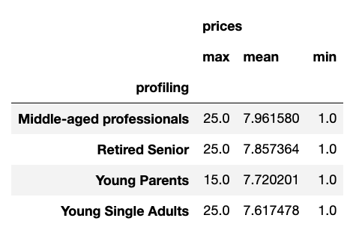 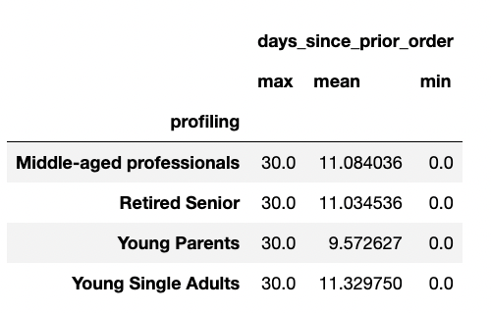 |  | 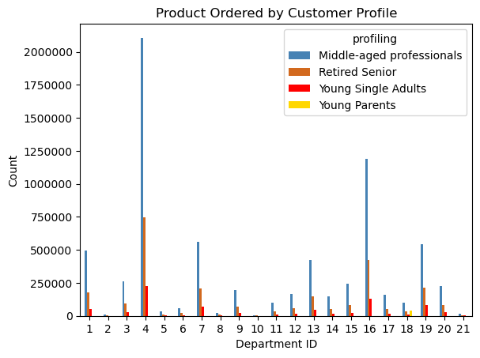 |  |  |  |  | 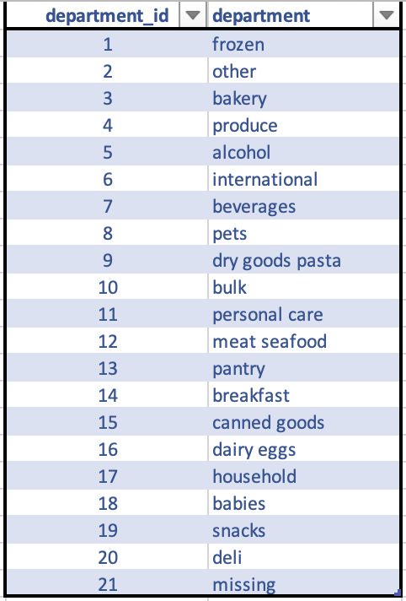
Figure 6.
6. Senior Vice President of Sales: “We need to know what part of our offering has the lowest market share and why. Based on this input, we could improve this sector and boost sales.” | Departments with lowest market shares (below 5%) bakery 0.036181 canned goods 0.032960 deli 0.032441 dry goods pasta 0.026744 household 0.022795 meat seafood 0.021877 breakfast 0.021695 personal care 0.013812 babies 0.013078 international 0.008309 alcohol 0.004743 pets 0.003015 missing 0.002134 other 0.001120 bulk 0.001067 | 